Sheet1
$$L_{d}=5ⅆ\sqrt{\frac{Ff(Ld+1.5∂)}{\overline{Fb}\left(L_{D}+8.8δ\right)}}$$
Dowel Bars design for Rigid Pavement
Calculation of length = |  | 1. Generally dowel bars are placed across the transverse joints at mid depth of the slab to reduce faulting and preventiong corner cracking.
Where, |  | 2. Transfer load from one to another slab but not prevent the joints from opening.
 | Ld= Length of bar = | 3. Dowel bars are generally round, smooth, epoxy coated bars.
 | d = Diameter of the bar = | 4. Make a relation with the above equation and put trial value of LD as 45 cm and find Ld.
∂
 | =Joint Width = | 5. Length of the Dowel bar = Ld+∂ and provide a round length as LD provided.
 | Ff = Permissible stress in bending = | 6. Load transfer capacity Ps= 0.785 x d2x Fs
$$P_{f}=\frac{2ⅆ^{3}F_{f}}{L_{d}+8.8δ}$$
$$P_{b}=\frac{FbL_{ⅆ}^{2}ⅆ}{12.5(Ld+1.5∂)}$$
 | Fb = Permissible stress in bearing = | 7
 | Fs = Permissible stress in shear = | 8

 |  | 9. Take the load transfer capacity as 40 % if not given and find,

 |  | 0.4P/Ps | , 0.4P/Pf | , 0.4P/Pb | Take which ever is maximum as a desired capacity
 |  | P = Wheel Load

 |  | 10

Sheet2
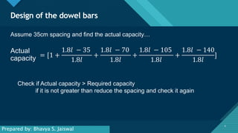

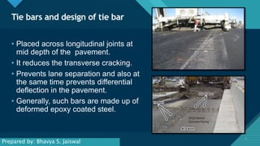

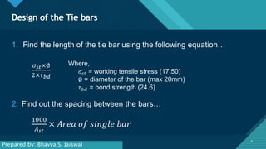

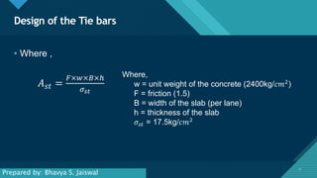



Design of Dowel Bar
Dowel Bars design for Rigid Pavement

The roadway is to be used for stack yard.
Let thickness of slab/road, h= |  |  | 30.00 cm
Fy = | 40.00 ksi | = | 2,814.80 Kg/cm2
As there is WBM below the roadway, So CBR = |  |  |  |  | 25
Compressive strength of concrete, fc' = |  |  |  | 30.00 MPa
Modulus of Elasticity of concrete, E = |  |  |  | 368,670.63 Kg/cm3
Poisson's ratio, µ = |  | 0.15
Modulus of subgrade reaction, K = 28.6926 CBR0.7788
 |  |  | = | 351.95 psi/in
 |  |  | = | 9.74 Kg/cm3
$$4\sqrt{\frac{Eh^{3}}{12k\left(1−μ2\right)}}$$
 |  |  |  |  |  |  | 5d = | 16
Radius of relative stiffness, l= |  |  |  |  |  |  | (Ld+1.5∂) = | 45
 |  | = | 100.0432099 | cm |  |  | Ff /Fb = | 8.8465142857
Fs = Permissible stress in shear = 0.45Fy= |  |  |  | 1266.66 | Kg/cm2 |  | (Ld+8.8∂) = | 59.6
Ff = Permissible stress in bending = 0.66 Fy= |  |  |  |  | 1857.768 | Kg/cm2
Fb = Permissible stress in bearing = |  |  |  | 210 | Kg/cm2
Wheel load calculation HL-93 = |  |  | 7257.6 | Kg
$$L_{d}=5ⅆ\sqrt{\frac{Ff(Ld+1.5∂)}{\overline{Fb}\left(L_{D}+8.8δ\right)}}$$
Length of Dowel bar =
Joint width, 𝜕 = |  | 2.00 cm
Let dia of bar, d = |  | 3.20 cm
Let length of bar, Ld = |  | 42.00 cm | for trial
By trial and error, |  | 41.35 | cm
Total length = Ld+∂ = |  | 43.35 | cm ≈ | 50.00 cm
Load transfer capacity of single dowel bar,
$$P_{f}=\frac{2ⅆ^{3}F_{f}}{L_{d}+8.8δ}$$
Ps= 0.785 x d2x Fs = |  | 10181.919744 | Kg
 | = | 1801.0456161 | Kg
$$P_{b}=\frac{FbL_{ⅆ}^{2}ⅆ}{12.5(Ld+1.5∂)}$$
 | = | 2535.8490566 | Kg

Max | 0.4P/Ps | , 0.4P/Pf | , 0.4P/Pb
 | 0.29 | 1.61 | 1.14

Effective distance of load transfer =1.8l |  |  |  | 180.08 cm
Let spacing = |  | 30.00 cm
Actual capacity = |  | 3.33 | >1.61 | So the bar spacing and dia is ok

